Excel Critical Path Tracker
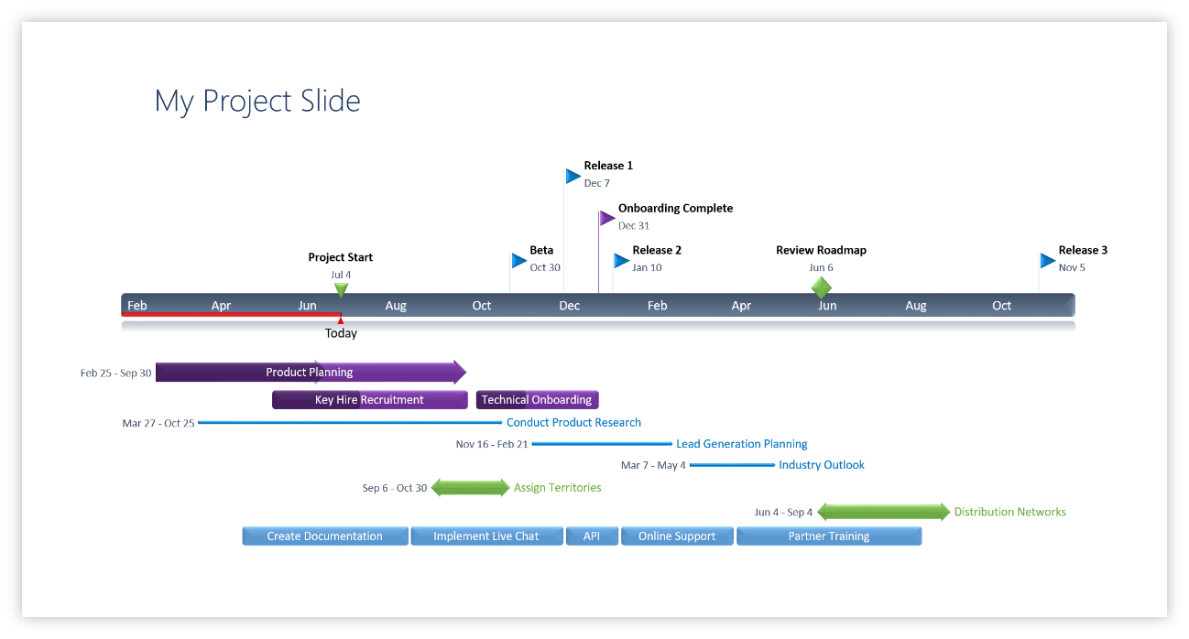
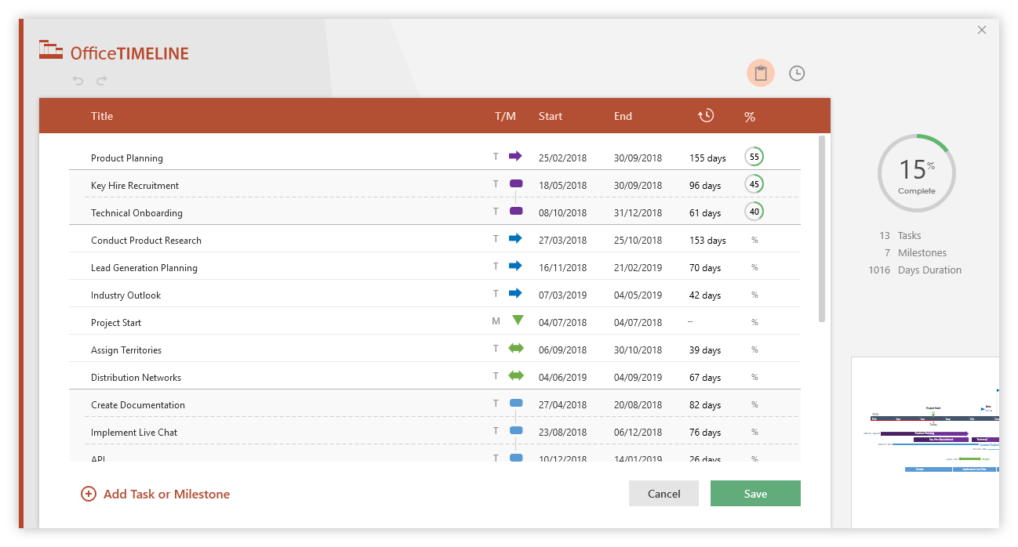
Critical Path Tracker |  |  |  |  |  |  |  |  |  | - Critical Path |  |  |  |  | - Non Critical Path |  |  |  |  | DIDx - Predecessors' ID |  |  |  |  |  |  |  |  |  | 0
 |  |  |  |  |  |  |  |  |  |  |  |  |  | x | - Holiday

PROJECT START DATE |  | 1-Sep-19 |  | TODAY DATE | 7-Sep-19
 |  |  |  |  |  |  | Sep-19 | Sep-19 | Sep-19 | Sep-19 | Sep-19 | Sep-19 | Sep-19 | Sep-19 | Sep-19 | Sep-19 | Sep-19 | Sep-19 | Sep-19 | Sep-19 | Sep-19 | Sep-19 | Sep-19 | Sep-19
ID* | Items* | Task Duration | DID1* | Start Date | Finish Date | PERIODS | 1-Sep-19 | 2-Sep-19 | 3-Sep-19 | 4-Sep-19 | 5-Sep-19 | 6-Sep-19 | 7-Sep-19 | 8-Sep-19 | 9-Sep-19 | 10-Sep-19 | 11-Sep-19 | 12-Sep-19 | 13-Sep-19 | 14-Sep-19 | 15-Sep-19 | 16-Sep-19 | 17-Sep-19 | 18-Sep-19 | 19-Sep-19 | 20-Sep-19 | 21-Sep-19 | 22-Sep-19 | 23-Sep-19
1 | Task 1 | 2 |  | 1-Sep-19 | 3-Sep-19
2 | Task 2 | 1 | 1 |  | 5-Sep-19
3 | Task 3 | 3 | 2 |  | 11-Sep-19
4 | Task 4 | 3 | 3 |  | 17-Sep-19
5 | Task 5 | 4 |  | 12-Sep-19 | 18-Sep-19
6 | Task 6 | 1 | 5 |  | 20-Sep-19
7 | Task 7 | 2 | 5 |  | 23-Sep-19
8 | Task 8 | 6 |  | 4-Sep-19 | 12-Sep-19
9 | Task 9 | 2 | 8 |  | 17-Sep-19
10 | Task 10 | 1 | 5 |  | 20-Sep-19

3 Easy steps to instantly turn Excel data into a PowerPoint slide
1. Download the Free Office Timeline
2. Open PowerPoint and click on NEW Timeline from the Office Timeline tab inside of
PowerPoint. Copy your Excel table and paste it into Office Timeline with the PASTE button.
3. Click the green SAVE button to instantly produce a PowerPoint Gantt chart slide.

